Overview and Explanations
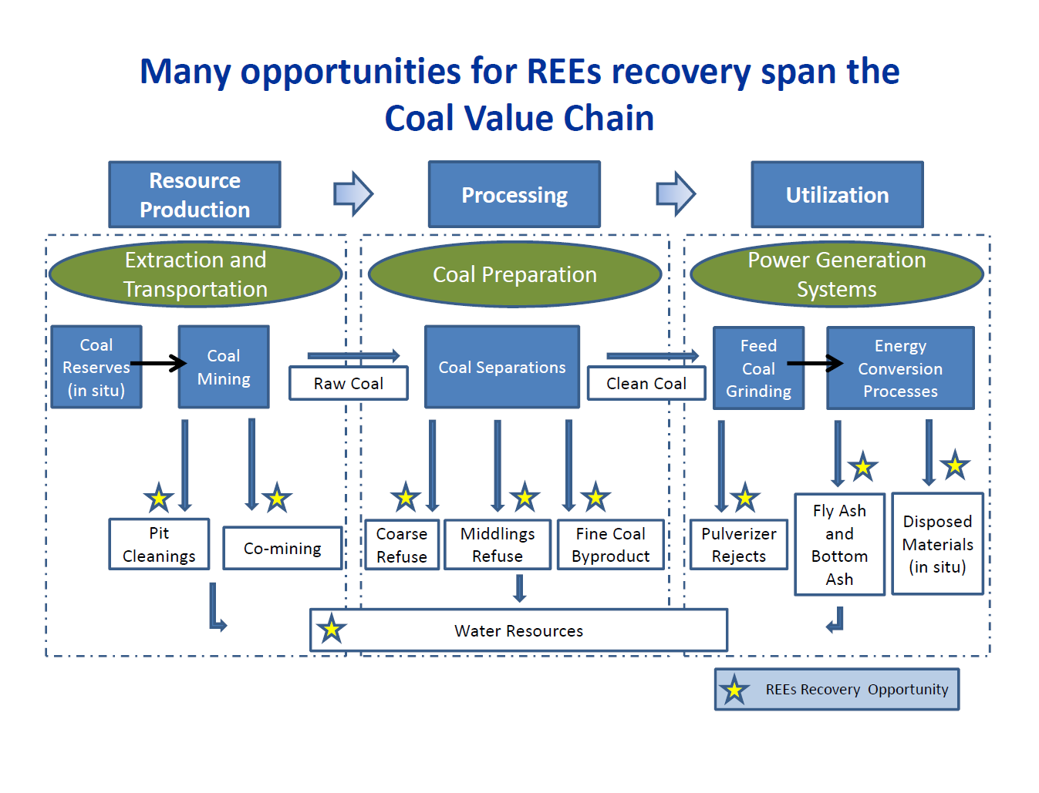
Overview
This Excel workbook, consisting of multiple tabs, summarizes sample inventory and analysis results for coal value chain materials that were collected from multiple sources and various organizations. The focus of this study was to characterize the concentration, elemental composition, and mineralogy of rare earth elements in coals, mineral matter associated with coal, fly ash, bottom ash, and post-processing/post-use materials. Aside from the REE concentrations, only limited other chemical measurements were made.

Workbook Data Tab Explanations
- Sampling Inventory
Complete inventory of all sample material collected or obtained. Includes individual sample ID, material description and general category information. Note: This is a complete inventory and some materials may have been completely consumed or depleted during testing.
- Results Compiled
Presents analyzed sample information total REE+Y analysis results and ratios, on a whole sample and ash basis, for a side-by-side comparison and summary.
- Results (Whole Sample Conc.)
Presents analyzed sample results for individual elements as well as total REE+Y concentrations on a whole sample. Note: Analyses were performed on a select set of elements for various samples.
- Results (Ash Based Conc.)
Presents analyzed sample results for individual elements as well as total REE+Y concentrations on an ash basis. Note: Analyses were performed on a select set of elements for various samples.

Type Subcategory Explanations
GEO | Geological Survey-type Data Samples provided by geological survey(s):
COL | REE resource estimates Applying core sample, channel sample and ROM coal:
PRP | Coal Prep - REE partitioning REE partitioning in conventional preparation plants and impact of other commercial separation technologies:
CMB | Coal-fired power plants REEs in combustion by-products Power plant results; fly ash and bottom ash from PC-fired units, stokers, and industrial processes:
WST | Waste repositories Waste repositories - active waste sites, pit cleanings, fly ash ponds, etc.:

State (sample origin) | Origin of the sample
Coal Basin (sample origin) | Coal basin of origin for the sample. Note: Due to the practice of mixing and blending various coals, samples identified as pertaining to Coal-fired power plants REEs in combustion by-products (CMB), above, do not have a coal basin identified. For specific coal information, the sample description should be viewed.

REEs Data Organization: The DOE Coal and Coal Byproducts Sampling and Analysis Results are organized into three “Blocks” as depicted in the figure below: The focus of this study was to characterize the concentration, elemental composition, and mineralogy of rare earth elements in coals, mineral matter associated with coal, fly ash, bottom ash, and post-processing/post-use materials. Aside from the REE concentrations, only limited other chemical measurements were made. Resource Production: Data in this Block deals with characterizing REEs resources as they exist (in situ) in their natural environment and with the materials that are produced in the mining operations. Western and Eastern coal basins were a focus of the DOE study. Data in this Block includes the USGS COAL QUAL data, core samples from a number of state geologic surveys, REEs resource estimates and the associated report, raw coal grab samples, refuse samples and other data obtained in the data collection efforts. In general, this information is related to the resources in the ground or directly associated with the extraction of those resources prior to coal processing at a coal preparation plant or their shipment to an end user. Processing: Data in this Block deals with “as received” or run-of mine material at a number of coal preparation plants, in-plant streams and product streams (refuse, fine coal and clean coal). Data also includes mass balances around several coal preparation plants. Information includes grab sample results, chemical analysis, REE analysis, and washability studies. A series of bench-scale tests were performed to examine possible partitioning of REEs when an REE-bearing stream is subjected to a subset of conventional coal and mineral preparation processes. An in-depth analysis was performed to study how REEs might be recovered from refuse streams from a coal preparation facility using a new “rougher circuit” designed for this purpose; process flows and heat and material bala

